Test Report
Default Test Run Report

Project Name |  |  | Project 1
User Name |  |  | MTS
Test Name |  |  | MME 3407_S20 50mm Gage Length ASTM E8 Metals Tension (Extensometer-Crosshead) 49
Test Run Name |  |  | Test Run 1
Test Run Date |  |  | 2/11/2021 4:05:15 PM

Test Run Review Graph
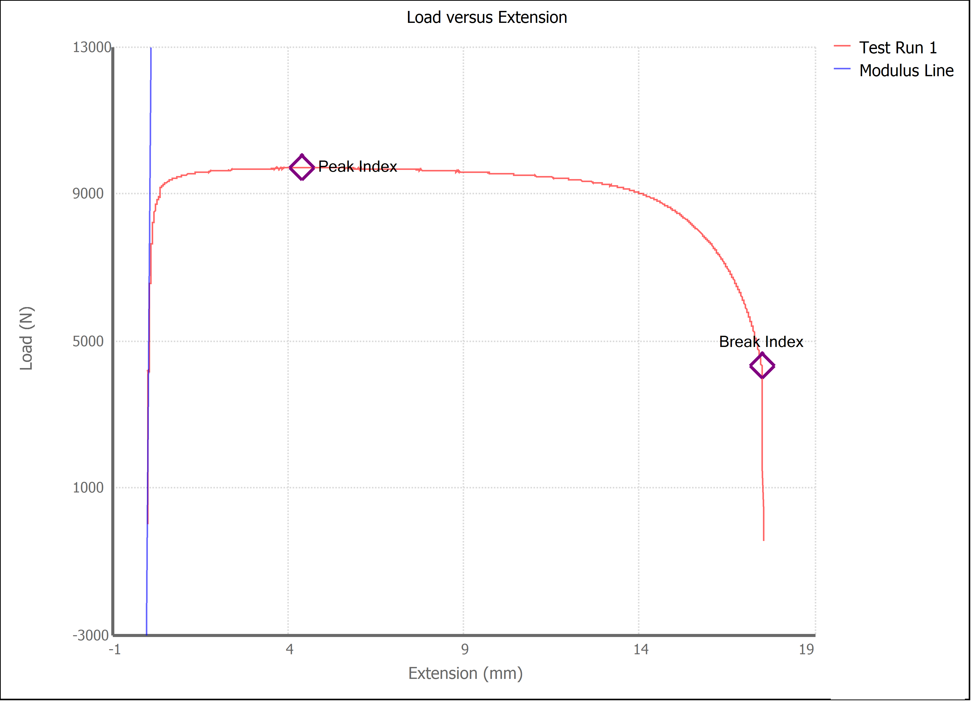

Test Run Results:
Display Name | Value | Unit
Test Run End Reason | Break Detected
Width | 13.460 | mm
Thickness | 3.180 | mm
Final Width | 9.200 | mm
Final Thickness | 2.080 | mm
Test ID | 1018 steel Luis Enrique Ornelas
Initial Marked Gage Length | 50.000 | mm
Maximum Force | 2179.713 | lbf
Maximum Stress | 226.5 | MPa
Elongation at Fracture | 29.557 | %
Elongation after Break | 46.700 | %
Upper Yield strength | 222.575 | MPa
Modulus of Elasticity | 132562.400 | MPa
Yield Strength (Offset = 0.2%) | 192.016 | MPa
Yield Strength (EUL = 0.5%) | 202.981 | MPa |  | 0.000
Removal Point | 1.250 | mm
Ultimate Tensile Strength | 226.524 | MPa
Reduction of Area | 55.2926 | %
Lower Yield Strength | 222.484 | MPa
Final Marked Gage Length | 73.350 | mm

